Venn diagram
Venn diagram showing the overlap of the results of the IPs presented on sheet "edgeR p<0.05 FC>8". Only prey proteins found with one specific bait at least 3 times in case of E2FA, E2FB, E2FC, and RBR1 or at least one time in case of the DPs (DPA or DPB) were considered. Column A: Venn diagram groups, Column B: number of elements per group, Column C: AGI identifiers of the group elements. Common proteins with the TAP assays are highlighted green.

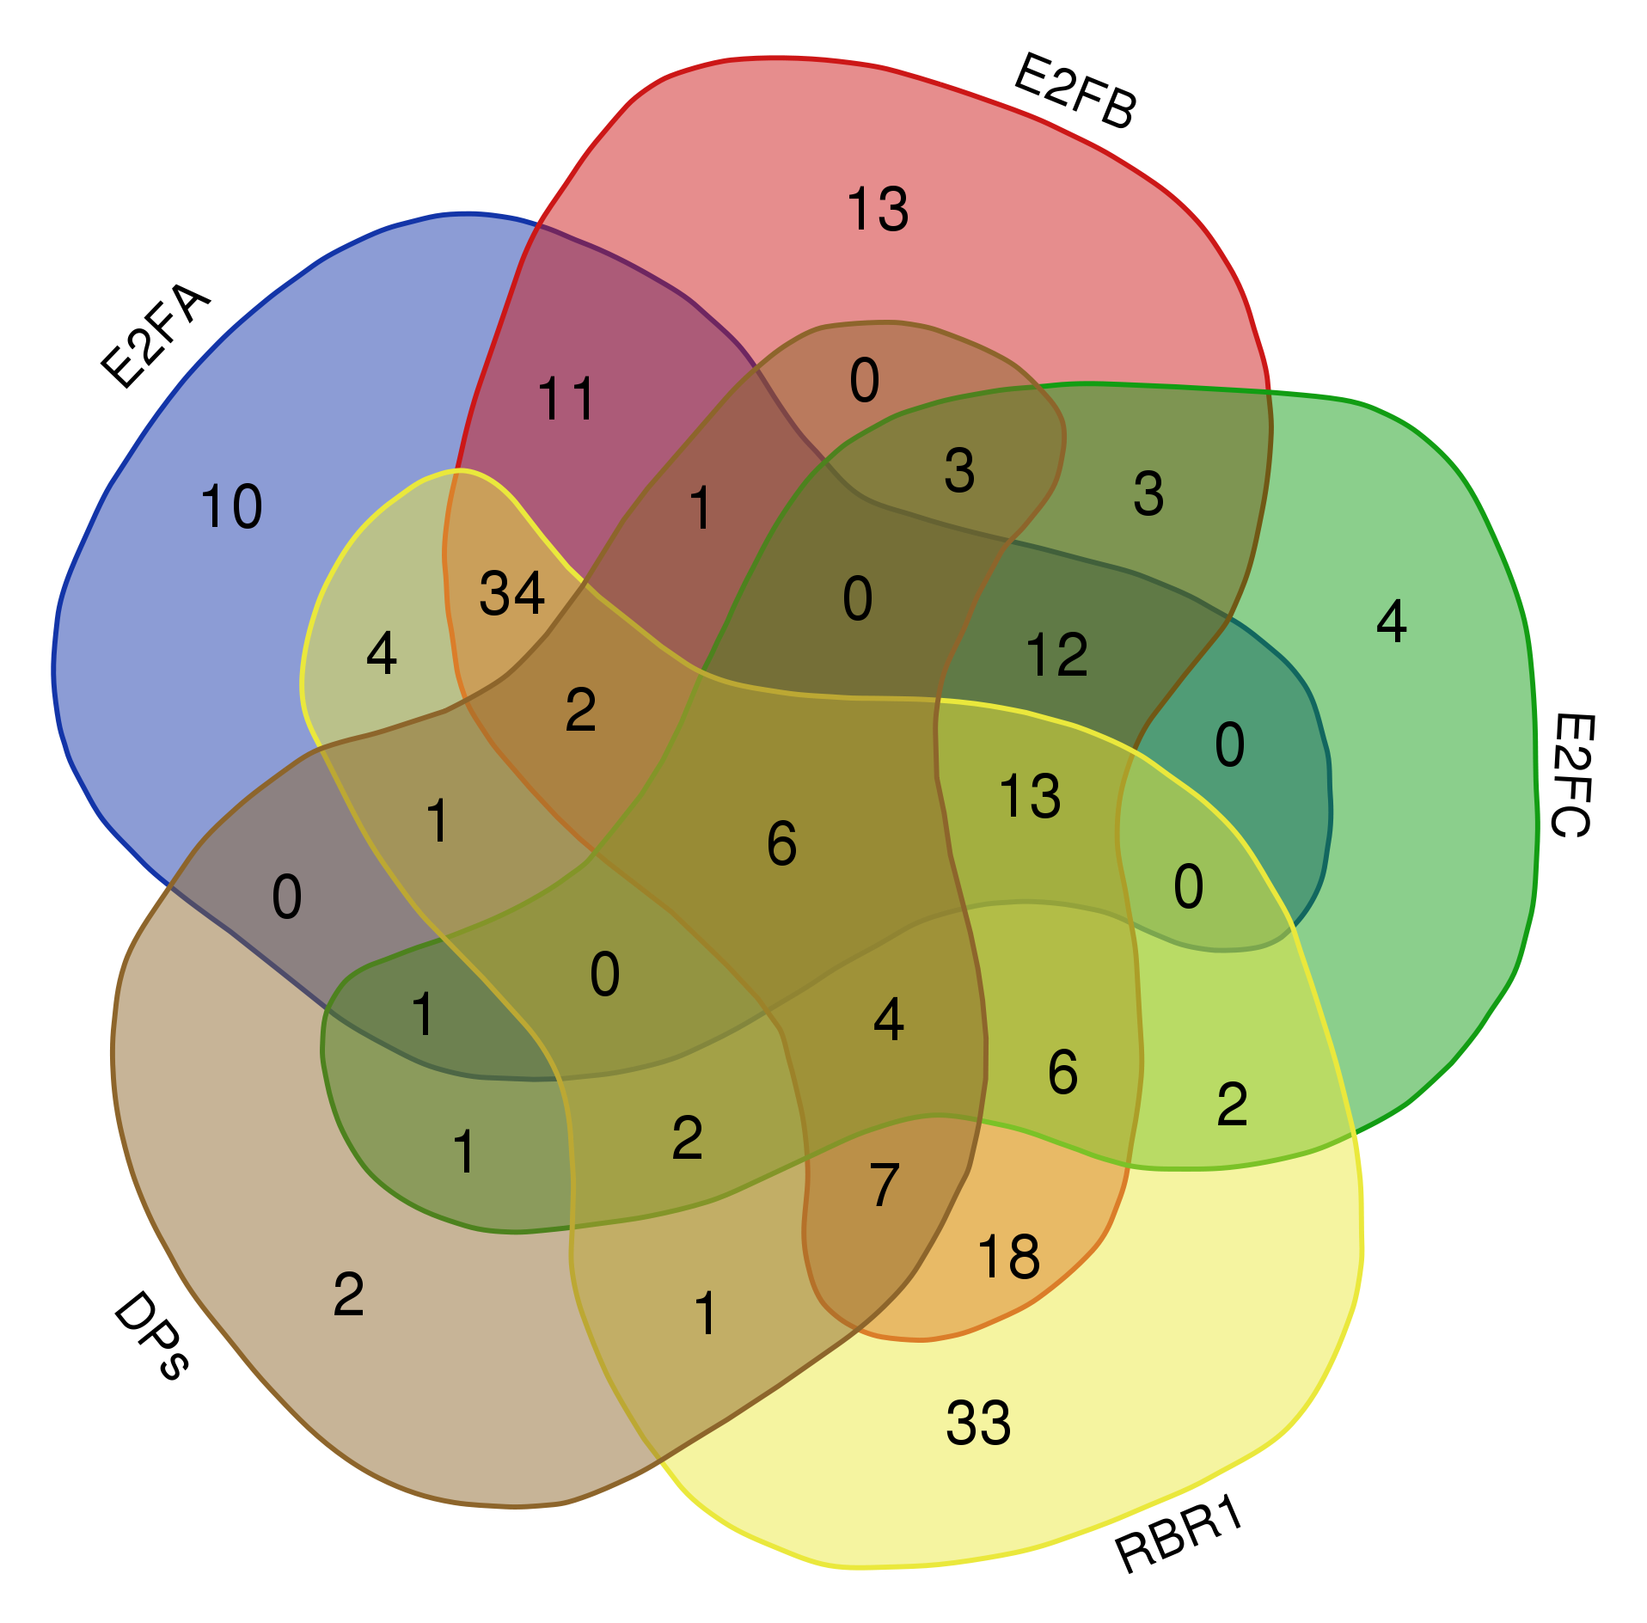
Overlap of IP with | total | elements | alias
DPs E2FA E2FB E2FC RBR1 | 6 | AT5G03415 | DPB
 |  | AT5G02470 | DPA
 |  | AT5G50310
 |  | AT5G20490
 |  | AT3G12280 | RBR1
 |  | AT4G31880
E2FA E2FB E2FC RBR1 | 13 | AT5G04600
 |  | AT2G45520
 |  | AT2G37990
 |  | AT4G24680
 |  | AT3G58660
 |  | AT5G55920
 |  | ATCG00180
 |  | AT1G29320
 |  | AT1G01610
 |  | AT4G09730
 |  | AT4G25340
 |  | AT5G46840
 |  | AT5G55670
DPs E2FA E2FB RBR1 | 2 | AT5G22640
 |  | AT5G66470
DPs E2FB E2FC RBR1 | 4 | AT3G21430 | ALY3
 |  | AT4G29000 | TCX5
 |  | AT2G45250 | LIN52A
 |  | AT5G58230 | MSI1
E2FA E2FB E2FC | 12 | AT1G72440
 |  | AT5G15550
 |  | AT1G02870
 |  | AT3G18035
 |  | AT1G23280
 |  | AT5G14520
 |  | AT4G25730
 |  | AT1G63810
 |  | AT3G18600
 |  | AT3G22660
 |  | AT1G80750
 |  | AT2G37440
E2FA E2FB RBR1 | 34 | AT1G61150
 |  | AT5G09620
 |  | AT2G24580
 |  | AT4G32070
 |  | AT5G24580
 |  | AT2G17720
 |  | AT2G46505
 |  | AT4G37070
 |  | AT5G06110
 |  | AT4G28710
 |  | AT4G24550
 |  | AT2G31800
 |  | AT2G20920
 |  | AT3G23750
 |  | AT3G06940
 |  | AT2G43770
 |  | AT1G64090
 |  | AT2G19385
 |  | AT2G38580
 |  | AT4G20130
 |  | AT5G22780
 |  | AT5G41950
 |  | AT4G36530
 |  | AT1G76850
 |  | AT3G57010
 |  | AT5G58490
 |  | AT4G00570
 |  | AT5G42850
 |  | AT3G51460
 |  | AT5G66120
 |  | AT5G60540 | PYRIDOXINE BIOSYNTHESIS 2 (PDX2)
 |  | AT3G62700
 |  | AT3G04650
 |  | AT3G55620 | EUKARYOTIC INITIATION FACOR 6A (eIF6A)
DPs E2FA E2FB | 1 | AT4G00670
DPs E2FA E2FC | 1 | AT2G02100
DPs E2FA RBR1 | 1 | AT2G36010 | E2FA
E2FB E2FC RBR1 | 6 | AT5G63550
 |  | AT5G04280
 |  | AT2G18220
 |  | AT5G49930
 |  | AT5G58470
 |  | AT1G75660
DPs E2FB E2FC | 3 | AT2G40630 | DRC2
 |  | AT1G04930 | LIN37A
 |  | AT4G34660
DPs E2FB RBR1 | 7 | AT1G09020
 |  | AT5G46580
 |  | AT5G46630
 |  | AT5G04130
 |  | AT5G66420
 |  | AT5G22220 | E2FB
 |  | AT1G01200
DPs E2FC RBR1 | 2 | AT3G50370
 |  | AT1G47870 | E2FC
E2FA E2FB | 11 | AT1G33240
 |  | AT3G54650 | F BOX-LIKE17 (FBL17)
 |  | AT4G15770
 |  | AT4G01560
 |  | AT1G75670
 |  | AT3G55510
 |  | AT1G77030
 |  | AT2G40430
 |  | AT3G04500
 |  | AT5G06360
 |  | AT4G16380
E2FA RBR1 | 4 | AT3G56430
 |  | AT1G01510
 |  | AT3G07160
 |  | AT1G04300
E2FB E2FC | 3 | AT1G12770
 |  | AT3G21540
 |  | AT1G63780
E2FB RBR1 | 18 | AT1G48480
 |  | AT3G48750 | CDKA;1
 |  | AT1G70940
 |  | AT2G26280
 |  | AT1G23870
 |  | AT2G39670
 |  | AT5G09880
 |  | AT2G38700
 |  | AT5G11210
 |  | AT5G59750
 |  | AT1G71220
 |  | AT3G17970
 |  | AT4G39220
 |  | ATCG01020
 |  | AT1G06890
 |  | AT1G48900
 |  | AT2G35500
 |  | AT5G12370
E2FC RBR1 | 2 | AT5G37350
 |  | AT5G03740
DPs E2FC | 1 | AT5G27610 | ALY1
DPs RBR1 | 1 | AT5G14170
E2FA | 10 | AT2G35880
 |  | AT3G18390
 |  | AT3G07030
 |  | AT2G29540
 |  | AT2G44860
 |  | AT5G58130
 |  | AT3G55340
 |  | AT3G03790
 |  | AT1G60850
 |  | AT2G02130
E2FB | 13 | AT3G26560
 |  | AT1G54770
 |  | AT1G43860
 |  | AT3G09210
 |  | AT4G16630
 |  | AT2G36070
 |  | AT5G57280
 |  | AT4G05410
 |  | AT5G20600
 |  | AT5G40200
 |  | AT1G36730
 |  | AT1G79140
 |  | AT4G27430
E2FC | 4 | AT2G18900
 |  | AT3G06530
 |  | AT2G05520
 |  | AT2G47990
RBR1 | 33 | AT4G35060
 |  | AT1G79560
 |  | AT1G23900
 |  | AT2G31890
 |  | AT4G21450
 |  | AT5G53650
 |  | AT4G16450
 |  | AT4G14420
 |  | AT3G56290
 |  | AT1G12360
 |  | AT3G19960
 |  | AT4G16990
 |  | AT2G23070
 |  | AT2G15270
 |  | AT2G36060
 |  | AT3G04600
 |  | AT3G57180
 |  | AT5G64430
 |  | AT2G15430
 |  | AT5G06970
 |  | AT2G43130
 |  | AT2G27820
 |  | AT5G66200
 |  | AT4G39280
 |  | AT2G25870
 |  | AT3G02350
 |  | AT3G21090
 |  | AT3G28200
 |  | AT1G73885
 |  | AT5G42740
 |  | AT4G21105
 |  | ATCG00860
 |  | AT5G05890
DPs | 2 | AT2G32840 | LIN37B
 |  | AT3G05380 | ALY2

